Sheet1
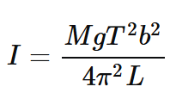
Oscillation Tests |  |  |  | Moment of Inertia Calculation
Test # | Time (s) | Total Oscillations | Period (s) | Label | Value | Units
1 | 8.16 | 5 | 1.632 | Mass | 0.881 | kg
2 | 7.88 | 5 | 1.576 | Gravity Constant | 9.81 | m/s^2
3 | 7.96 | 5 | 1.592 | Period | 1.5976 | s
4 | 7.8 | 5 | 1.56 | Radial Distance | 14 | in
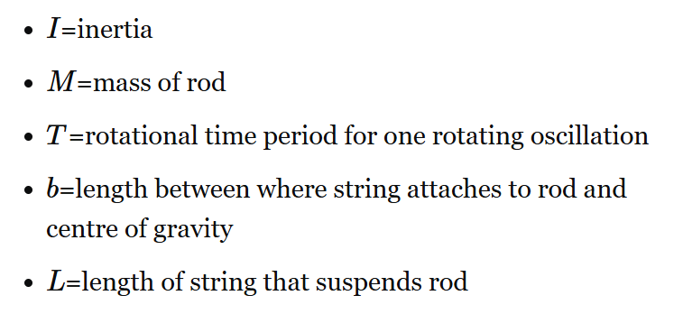
5 | 7.91 | 5 | 1.582 |  | 0.3556 | m
6 | 8.23 | 5 | 1.646 | String Length | 42.75 | in
7 | 15.75 | 10 | 1.575 |  | 1.08585 | m
8 | 15.95 | 10 | 1.595 | Moment of Inertia | 0.065072084917 | N*m
9 | 31.75 | 20 | 1.5875 |  | 222.36246455 | lbm*in^2
10 | 32.3 | 20 | 1.615
11 | 32.27 | 20 | 1.6135
 |  | Average Period | 1.5976
 |  | Standard Deviation | 0.026184051357

 |  |  |  | N*m | kg | in | m | Final MOI
 |  |  |  | 0.06507 | 0.04 | 16.26 | 0.413004 | 0.058247107839

